calculations
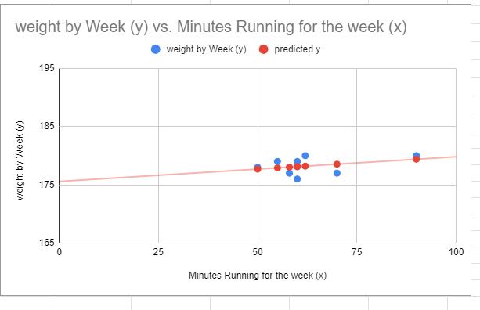
weight by Week (y) vs. Minutes Running for the week (x)
 |  |  |  |  |  | Google Drive --
x | y
Minutes Running for the week (x) | weight by Week (y) | predicted y | x2 | x*y
90 | 180 | 179.39009361 | 8100 | 16200
50 | 178 | 177.6932101 | 2500 | 8900
60 | 179 | 178.11743098 | 3600 | 10740
70 | 177 | 178.54165185 | 4900 | 12390
62 | 180 | 178.20227515 | 3844 | 11160
55 | 179 | 177.90532054 | 3025 | 9845
58 | 177 | 178.0325868 | 3364 | 10266
60 | 176 | 178.11743098 | 3600 | 10560
505 | 1426 |  | 32933 | 90061

 | 358 | # Observations*(sumof X*Y)- (total oxf x * total of y)/
 | 8439 | #observations X sum of X squared - sum of x squared |  | 0.042422087925 | slope

 | 1404.5768456 | sum of y - slope X sum of x |  | 175.5721057 | intercept

 | 8
Calculating the Estimated Weight of each data Point |  |  |  |  |  | Procedures -
 |  |  |  |  |  | square each x value
minute per week running | base formula |  | Y value | obsesrvation |  | multiply each x and y data point
90 | y = mx + b (175.57 is the y intercept) |  | 179.39009361 | 1 |  | sum both the x squared values and the product of x and y
50 |  |  | 177.6932101 | 2 |  | calcuate slope
60 |  |  | 178.11743098 | 3 |  | calcuate each predicted x value by
70 |  |  | 178.54165185 | 4 |  | taking the slope (m) , y intercept (b) and multiplying each data point by the slope.
62 |  |  | 178.20227515 | 5 |  | Copy these values back into the chart area and exapand the chart range and add these predicted values as a Series
55 |  |  | 177.90532054 | 6 |  | Since the predicted values will fall on the line the line is the estimated (best fit) usiing the least squares method.
58 |  |  | 178.0325868 | 7
60 |  |  | 178.11743098 | 8

